Updated Figures of Merit
Propulsive Manuevers | Launch Vehicle | Monetary Cost | Reliability | Mission Value

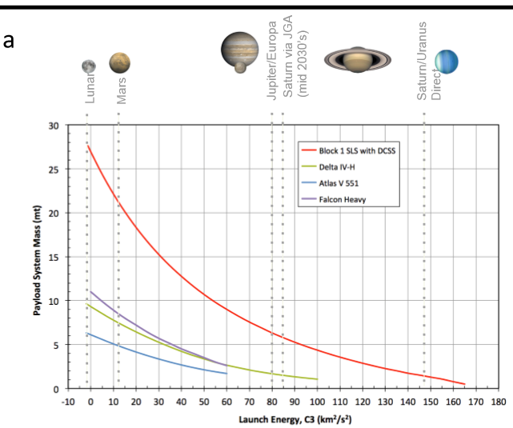

 |  |  |  |  | Tasks
 |  |  |  |  | normalize to polaris

Second Stage Propulsion - Matri
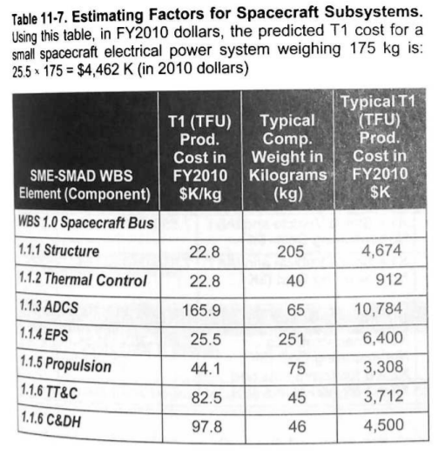
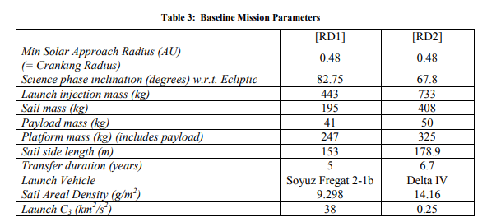
Second Stage Propulsion |  |  |  |  |  |  |  |  |  | Metric Value Derivations
ID | Option | Thrust-Weight Ratio | Isp (s) | Relative Hazard | Flight Tested | Relative Duration | Cost $ | Reliability | Mission Value | Metric | Source
4.1 | Solar Sail | 1 | 1 | 1 | 1 | 1 | 1 | 1 | 1 | Thrust-Weight Ratio | Ratio of expected thrust versus expected weight of the propulsion system scaled to the reference (solar sail).
4.2 | Chemical | 828.8121547 | 0.02110304179 | 10 | 1.428571429 | 0.00000114155 | 42.01216142 | 1.020000114 | 6.553250745 | Isp | Isp expected from propulsion system scaled to the reference (solar sail).
4.3 | Ion | 4.210773481 | 0.4341648248 | 2.5 | 1.142857143 | 0.85 | 0.1061359867 | 0.965 | 1.969196692 | Relative Hazard | Expected hazard of propulsion system fuel and components scaled to the reference (solar sail).
4.4 | Nuclear | 1795.856354 | 0.04473213346 | 20 | 0.1428571429 | 0.00002283105 | 0.9441680486 | 0.1100022831 | 3.108484059 | Flight Tested | Estimated maturity/flight readiness level of the propulsion system scaled to the reference (solar sail).
4.5 | Reference (Solar Sail) | 0.0905 | 19002 | 0.1 | 0.7 | 1 |  |  |  | Relative Duration | Duraiton of time during which the propulsion system can provide thrust scaled to the reference (solar sail).

 |  | Thruster Mass (kg) | Cost Estimation |  | Source
 | SS ref | 452.25 | 19944225 |  | POLARIS mission selection (chart below)
 | Chem ref | 19000 | 837900000 |  | ESC-A upper stage | https://www.esa.int/esapub/bulletin/bulletin123/bul123b_berkes.pdf
 | Ion ref | 48 | 2116800 |  | NSTAR - Deep space one | https://trs.jpl.nasa.gov/bitstream/handle/2014/12165/01-0061.pdf
 | nuc. ref | 427 | 18830700 |  | SNAP-10A | https://www.osti.gov/includes/opennet/includes/Understanding%20the%20Atom/SNAP%20Nuclear%20Space%20Reactors.pdf |  |  |  | Cost and Value Functions
 |  |  |  |  |  |  |  |  |  | Cost $
 | Reference (Soyuz 2.1b) | 6.5 | 3.4 | 5 | 10 |  |  |  |  | Reliability | (Flight Tested)*0.7 + (1/(Relative Hazard))*0.2 + (Relative Duration)*0.1
 |  |  |  |  |  |  |  |  |  | Mission Value | Reliability*(((Thrust-Weight Ratio)*(Isp))*0.35 + (1/(Relative Hazard))*0.15 + (Flight Tested)*0.2 + (Relative Duration)*0.2 + (1/(Cost))*0.1) | Note: Having issues with Thrust-Weight Ratio in Mission Value.

 |  |  |  |  |  |  |  |  |  | Reference
 |  |  |  |  |  |  |  |  |  | Given that existing upcoming missions, such as the Solar Cruiser, and conceptual missions, like Polaris, which utilize a solar sail and taking inspiration from these missions, we have chosen our refence to be a solar sail. Additionally, this is a newer technology and is being used for several CubeSats. This could potentially allow for a technology demonstration given the needed size and velocity change, and given that a solar sail could allow for the very large velocity change, then it presents additional usefulness and possible efficiency. For these reasons, the solar sail will be considered the baseline of the second-stage propulsion system.

Second Stage Propulsion - Value
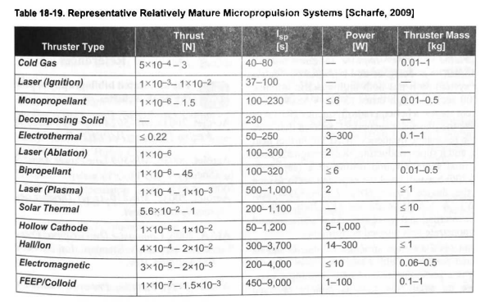
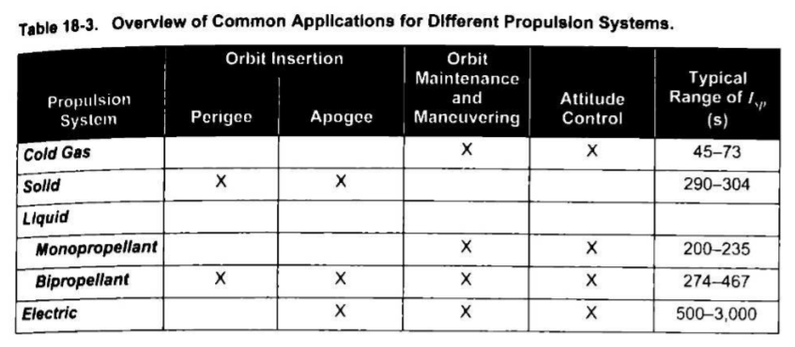
Option | Thrust-Weight Ratio | Isp [s] | Relative Hazard | Flight Tested | Relative Propulsion Duration (yrs) | Cost $ per ?
Solar Sail | 0.0905 | {inf} | 0.1 | 0.7 | 10 |  |  | See SMAD, Section 18.7.2 (Pages 554-558) |  |  | Solar sail:
Chemical | 0.01-100 | 200-468 | 1 | 1 | 1.141552511E-05 |  |  | See SMAD, Section 18.3 (Pages 533-550) |  |  | Thickness: | 2.00E-08 | m | https://en.wikipedia.org/wiki/Solar_sail
Ion | 0.0081 - 0.5 | 2500 - 8500 | 0.25 | 0.8 | 8.5 |  |  | See SMAD, Section 18.6 (Pages 546-553, 550 specifically) |  | C | Material Density: | 4511.8245 | kg/m^3
Nuclear (Solid Core) | 19.7-197 | 850 | 2 | 0.1 | 0.0002283105023 |  |  | 20190033337.pdf (nasa.gov) |  |  | Force/m^2 area: | 8.17E-06 | N/m^2 | https://en.wikipedia.org/wiki/Solar_sail
Reference (Solar Sail) | 0.0905 | {inf} | 0.1 | 0.7 | 10 |  | F4 | https://www.nasa.gov/centers/glenn/technology/Ion_Propulsion1.html#:~:text=The%20first%20ion%20thrusters%20did,for%207%20to%2010%20years. |  |  | TWR: ((F/A) / thickness) / density

 | Average T-W (taken from above ranges, 75th percentile as our vehicle will need heavy lift) | Average ISP (taken from above ranges, 75th percentile as our vehicle will need heavy lift) |  |  | solar sail life arbitrarily set to 10 years for comparisons
Solar Sail | 0.0905 | 19002 |  |  | Ion duration 7-10 yrs, avg of 8.5
Chemical | 75.0075 | 401
Ion | 0.381075 | 8250
Nuclear (Solid Core) | 162.525 | 850
 |  |  |  |  |  |  |  |  | Nuclear
 |  |  |  |  |  |  |  |  | https://ntrs.nasa.gov/citations/19690000736 |  | Polaris Reference: | Soyuz 2.1b |  | Upper Stage Engine | RD-0124 | https://en.wikipedia.org/wiki/Soyuz-2
Reference (Soyuz 2.1b upper stage) | 10.3-95.3 | 359 | 1 | 1 |  |  |  |  |  |  | Spacecraft mass (kg) | 733 |  | Isp (sec) | 359
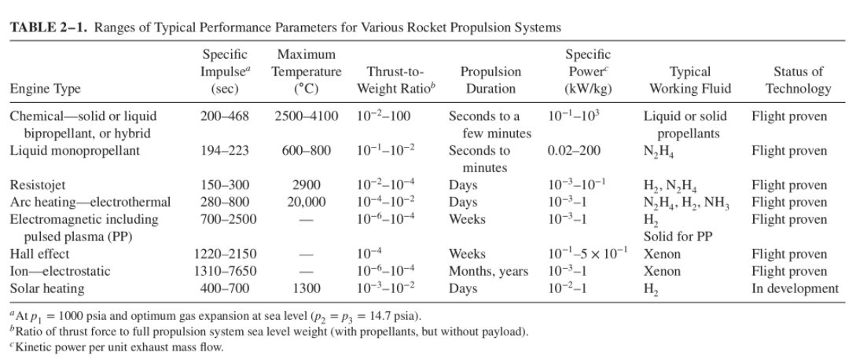
 |  |  |  |  |  |  |  |  |  |  | Polaris_Mission_Concept.pdf |  |  | Dry mass (kg) | 2355
 |  |  |  |  |  |  |  |  |  |  |  |  |  | Wet mass (kg) | 27755
 |  |  |  |  |  |  |  |  |  |  |  |  |  | Max thrust (kN) | 294.3
 |  |  |  |  |  |  |  |  |  |  |  |  |  | Flight Proven | 68 | (successful missions)

